Table1
SR. 1. | NAME OF PRODUCT BIG BASKET PVC WITH LOCK | PRICES 450 | 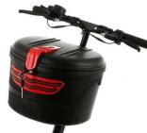 IMAGE
2. | SEAT ABSORBER | 1400 | 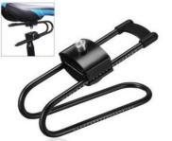
3. | SHIMANO GEAR GRIP SHIFTER | 500 | 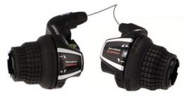
4. | SHIMANO 7 SPEED THUMB GEAR SHIFTER | 600 | 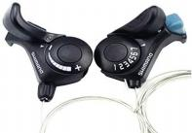
5. | HEAVY PEDAL ALLOY (BOX PACK) | 1400 | 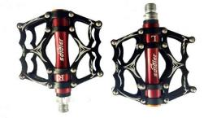
6. | BACK VIEW MIRROR WITH ALLEN KEY (BOX PACK) | 300 | 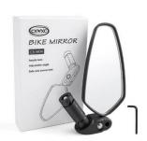
7. | CONVEX MIRROR | 150 | 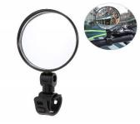
8. | WRIST MIRROR (BOX PACK) | 300 | 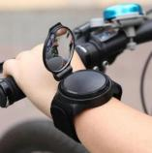
9. | BRAKE SHOE SET WITH 2 EXTRA SHOE (CARD PAKING) | 350 | 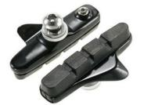
10. | HIGH QUALITY V BRAKE SHOES 2PCS (CARD PACKING) | 40 | 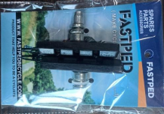
11. | HANDLE BAR TAPE | 300 | 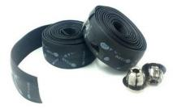
12. | B.B. AXLE COMPLETE SET | 160 | 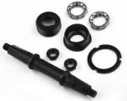
13. | WATER BOTTLE ALLOY | 85 | 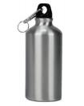
14. | WATER BOTTLE PVC | 85 | 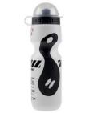
15. | DISC PLATE TOOL REPAIR | 500 | 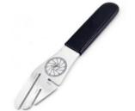
16. | CASSETTE OPENER (CARD PACKING) | 300 | 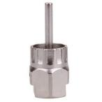
17. | 3 IN 1 KRANK OPENER (CARD PACKING) | 250
18. | TOOL BOX WITH PUMP BOTTLE SHAPE | 600 | 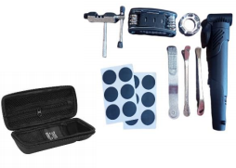
19. | L.N. KEY TOOL (CARD PACKING) | 250 | 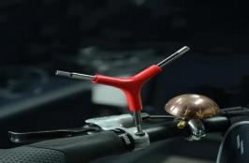
20. | B.B AXLE BOLT HEAVY DUTY 2 PCS (1 PAIR) CARD PACKING | 50 | 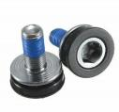
21. | TOOL BOX 44 PCS | 3000 | 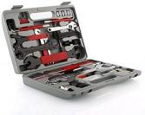
22. | WRENCH FORK TOOL (CARD PACKING) | 350 | 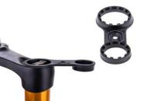
23. | CASSETTE OPENER TOOL (CARD PACK) | 200 | 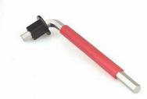
24. | CLASSIC HANDLE BAR METAL BELL (CARD PACK) | 40 | 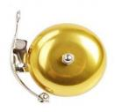
25. | HEAVY QUALITY PVC (RED, BLUE) (CARD PACK) | 200 | 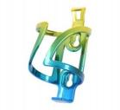
26. | ROAD BIKE HANDLEBAR | 1000
27. | LONG ADJUSTABLE HANDLEBAR STEM | 450 | 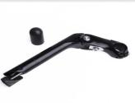
28. | FORK FITTING PART | 60 | 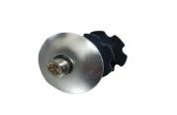
29. | LEFT THUMB BELL (BTWIN CYCLE) | 35 | 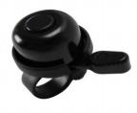
30. | 8 SPEED CASSETTE | 900 | 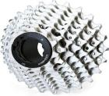
31. | 9 SPEED CASSETTE | 900 | 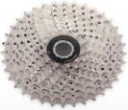
32. | SHIMANO CHAINSTAY PROTECTOR | 100 | 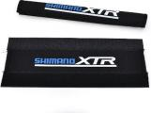
33. | LUBRICATING OIL FOR BICYCLE 100ml | 380 | 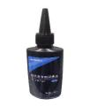
34. | BICYCLE CHAIN CLEANING GEL 350ml | 250 | 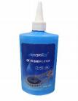
35. | BICYCLE MOBILE BAG | 600 | 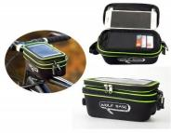
36. | STARBK SADDLE | 600 | 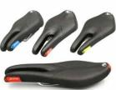
37. | LINE SADDLE | 450 | 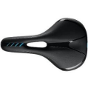
38. | FIRE DESIGN SADDLE | 300
39. | FREEDOM SADDLE | 300 | 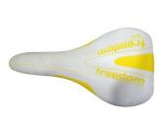
40. | MULTI COLOR NUMBER LOCK | 65 | 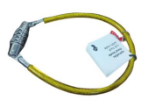
41. | SEAT POST 31.6MM | 350 | 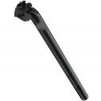
42. | SEAT POST 30.4MM | 350 | 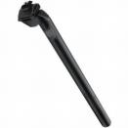
43. | SEAT POST 27.2MM | 350 | 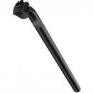
44. | SEAT POST 26.5MM | 350 | 